Sheet1
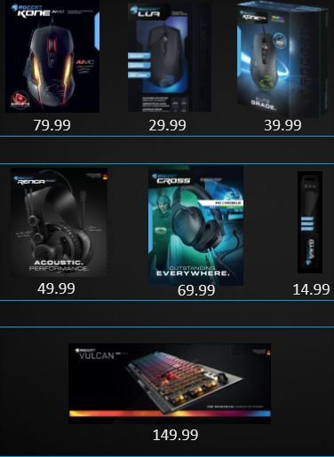
ROCCAT Floor Display Recommended Assortment | ROCCAT Floor Display Recommended Assortment

 |  | Account#:
 |  | Customer Name:
 |  | Ship Date:
 |  | Purchase Order #:
 |  | Order Date: |  |  | Order Taken By:

 |  |  |  | ● Fixture FREE with purchase of 19 ROCCAT units
 |  |  |  | ● Fixture dimensions: 22.5x65.8x27.5in
 |  |  |  | ● Max capacity for products on fixture is 21 units

 | DSC# | QTY | SHELF QTY | MFG# | PRODUCT DESCRIPTION | COLOR | UPC | PRICE | SRP
 | Mice
 | 115854 |  | 3 | ROC-11-310-AM | Lua Gaming Mouse BP | Black | 4250288163102 | $20.00 | $29.99
 | 115853 |  | 3 | ROC-11-722 | Kone Pure SE Gaming Mouse BP | Black | 4250288167919 | $28.90 | $39.99
 | 115844 |  | 3 | ROC-11-815-BK | Kone AIMO Gaming Mouse BP | Black | 4250288115767 | $57.86 | $79.99
 | Headsets
 | 125210 |  | 4 | ROC-14-410 | Renga Boost Gaming Headset BP | Black | 4250288128569 | $38.89 | $49.99
 | 115886 |  | 2 | ROC-14-510 | Cross Stereo Gaming Headset BP | Black | 4250288149298 | $46.67 | $69.99
 | Mousepad
 | 115874 |  | 2 | ROC-13-170-AM | Taito Control Gaming Mousepad 400x320x3.5mm BP | Black | 4250288190580 | $9.99 | $14.99
 | Keyboard
 | 125208 |  | 4 | ROC-12-411-BN | Vulcan 100 AIMO RGB Mechanical Gaming Keyboard BP | Silver | 4250288166349 | $100.00 | $149.99
 | Order any combination of 19 ROCCAT products, get Floor Fixture DSC: 124212 FREE!!

