Small Hang-On Dis#1
Happy Plugs Small Hang-On Display Assortment #1 |  | Happy Plugs Small Hang-On Display Assortment #1
 | Account #:
 | Customer Name:
 | Ship Date:
 | PO#

 | Order Date: |  | Order Taken By:
 |  |  |  |  | 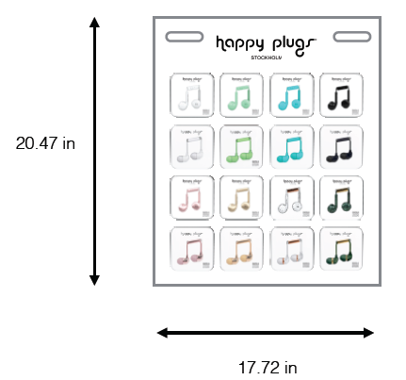

 | DSC# | MFG# | PRODUCT DESCRIPTION | PRICE | SRP | SUGGESTED ORDER QTY | ORDER QTY | EXT PRICE | EXT SRP
 | 74383 | 7715 | In-Ear Earbuds Mint 1Pk BP | $17.50 | $34.99 | 3 |  | $52.50 | $104.97
 | 72635 | 7720 | In-Ear Earbuds Black 1Pk BP | $17.50 | $34.99 | 3 |  | $52.50 | $104.97
 | 72640 | 7722 | In-Ear Earbuds Turquoise 1Pk BP | $17.50 | $34.99 | 3 |  | $52.50 | $104.97
 | 72641 | 7726 | In-Ear Earbuds White 1Pk BP | $17.50 | $34.99 | 3 |  | $52.50 | $104.97
 | 96092 | 7782 | In-Ear Earbuds White Marble Rose 1Pk BP | $17.50 | $34.99 | 3 |  | $52.50 | $104.97
 | 104851 | 7786 | In-Ear Earbuds Marble Green 1Pk BP | $17.50 | $34.99 | 3 |  | $52.50 | $104.97
 | 96230 | 7814 | Earbuds Plus Mint 1Pk BP | $15.00 | $29.99 | 3 |  | $45.00 | $89.97
 | 96231 | 7815 | Earbuds Plus Black 1Pk BP | $15.00 | $29.99 | 3 |  | $45.00 | $89.97
 | 96233 | 7817 | Earbuds Plus Turquoise 1Pk BP | $15.00 | $29.99 | 3 |  | $45.00 | $89.97
 | 96235 | 7819 | Earbuds Plus White 1Pk BP | $15.00 | $29.99 | 3 |  | $45.00 | $89.97
 | 96241 | 7826 | Earbuds Plus Champagne 1Pk BP | $15.00 | $29.99 | 3 |  | $45.00 | $89.97
 | 96242 | 7827 | Earbuds Plus Pink Gold 1Pk BP | $15.00 | $29.99 | 3 |  | $45.00 | $89.97
 | 108608 | 7828 | Earbud Plus White Marble 1Pk BP | $15.00 | $29.99 | 3 |  | $45.00 | $89.97
 | 108610 | 7830 | Earbud Plus Green Marble 1Pk BP | $15.00 | $29.99 | 3 |  | $45.00 | $89.97
 | 96244 | 7832 | In-Ear Earbuds Champagne 1Pk BP | $17.50 | $34.99 | 3 |  | $52.50 | $104.97
 | 96248 | 7836 | In-Ear Earbuds Pink Gold 1Pk BP | $17.50 | $34.99 | 3 |  | $52.50 | $104.97
 | 108634 | 2330 | Small Hang-On Display 2017 | Free with purchase |  |  |  | $- | $-
 |  |  |  |  |  |  |  | $780.00 | $1,559.52

Small Hang-On Dis#2
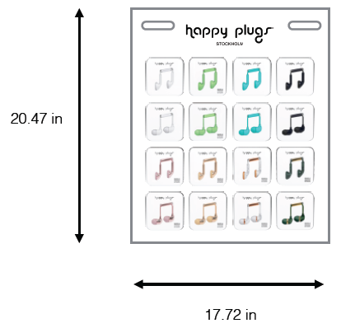
Happy Plugs Small Hang-On Display Assortment #2 |  | Happy Plugs Small Hang-On Display Assortment #2
 | Account #:
 | Customer Name:
 | Ship Date:
 | PO#

 | Order Date: |  | Order Taken By:

 | DSC# | MFG# | PRODUCT DESCRIPTION | PRICE | SRP | SUGGESTED ORDER QTY | ORDER QTY | EXT PRICE | EXT SRP
 | 72627 | 7705 | Earbuds Black 1Pk BP | $12.50 | $24.99 | 3 |  | $37.50 | $74.97
 | 72632 | 7707 | Earbuds Turquoise 1Pk BP | $12.50 | $24.99 | 3 |  | $37.50 | $74.97
 | 72633 | 7711 | Earbuds White 1Pk BP | $12.50 | $24.99 | 3 |  | $37.50 | $74.97
 | 74381 | 7713 | Earbuds Mint 1Pk BP | $12.50 | $24.99 | 3 |  | $37.50 | $74.97
 | 74383 | 7715 | In-Ear Earbuds Mint 1Pk BP | $17.50 | $34.99 | 3 |  | $52.50 | $104.97
 | 72635 | 7720 | In-Ear Earbuds Black 1Pk BP | $17.50 | $34.99 | 3 |  | $52.50 | $104.97
 | 72640 | 7722 | In-Ear Earbuds Turquoise 1Pk BP | $17.50 | $34.99 | 3 |  | $52.50 | $104.97
 | 72641 | 7726 | In-Ear Earbuds White 1Pk BP | $17.50 | $34.99 | 3 |  | $52.50 | $104.97
 | 96091 | 7781 | Earbuds White Marble Rose 1Pk BP | $12.50 | $24.99 | 3 |  | $37.50 | $74.97
 | 96092 | 7782 | In-Ear Earbuds White Marble Rose 1Pk BP | $17.50 | $34.99 | 3 |  | $52.50 | $104.97
 | 104850 | 7785 | Earbuds Green Marble 1Pk BP | $12.50 | $24.99 | 3 |  | $37.50 | $74.97
 | 104851 | 7786 | In-Ear Earbuds Marble Green 1Pk BP | $17.50 | $34.99 | 3 |  | $52.50 | $104.97
 | 96243 | 7831 | Earbuds Champagne 1Pk BP | $12.50 | $24.99 | 3 |  | $37.50 | $74.97
 | 96244 | 7832 | In-Ear Earbuds Champagne 1Pk BP | $17.50 | $34.99 | 3 |  | $52.50 | $104.97
 | 96247 | 7835 | Earbuds Pink Gold 1Pk BP | $12.50 | $24.99 | 3 |  | $37.50 | $74.97
 | 96248 | 7836 | In-Ear Earbuds Pink Gold 1Pk BP | $17.50 | $34.99 | 3 |  | $52.50 | $104.97
 | 108634 | 2330 | Small Hang-On Display 2017 | Free with purchase |  |  |  | $- | $-
 |  |  |  |  |  |  |  | $705.00 | $1,409.52

Small Hang-On Dis #3
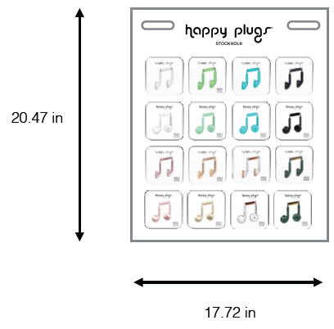
Happy Plugs Small Hang-On Display Assortment #3 |  | Happy Plugs Small Hang-On Display Assortment #3
 | Account #:
 | Customer Name:
 | Ship Date:
 | PO#

 | Order Date: |  | Order Taken By:

 | DSC# | MFG# | PRODUCT DESCRIPTION | PRICE | SRP | SUGGESTED ORDER QTY | ORDER QTY | EXT PRICE | EXT SRP
 | 72627 | 7705 | Earbuds Black 1Pk BP | $12.50 | $24.99 | 3 |  | $37.50 | $74.97
 | 72632 | 7707 | Earbuds Turquoise 1Pk BP | $12.50 | $24.99 | 3 |  | $37.50 | $74.97
 | 72633 | 7711 | Earbuds White 1Pk BP | $12.50 | $24.99 | 3 |  | $37.50 | $74.97
 | 74381 | 7713 | Earbuds Mint 1Pk BP | $12.50 | $24.99 | 3 |  | $37.50 | $74.97
 | 96230 | 7814 | Earbuds Plus Mint 1Pk BP | $15.00 | $29.99 | 3 |  | $45.00 | $89.97
 | 96231 | 7815 | Earbuds Plus Black 1Pk BP | $15.00 | $29.99 | 3 |  | $45.00 | $89.97
 | 96233 | 7817 | Earbuds Plus Turquoise 1Pk BP | $15.00 | $29.99 | 3 |  | $45.00 | $89.97
 | 96235 | 7819 | Earbuds Plus White 1Pk BP | $15.00 | $29.99 | 3 |  | $45.00 | $89.97
 | 96091 | 7781 | Earbuds White Marble Rose 1Pk BP | $12.50 | $24.99 | 3 |  | $37.50 | $74.97
 | 104850 | 7785 | Earbuds Green Marble 1Pk BP | $12.50 | $24.99 | 3 |  | $37.50 | $74.97
 | 96241 | 7826 | Earbuds Plus Champagne 1Pk BP | $15.00 | $29.99 | 3 |  | $45.00 | $89.97
 | 96242 | 7827 | Earbuds Plus Pink Gold 1Pk BP | $15.00 | $29.99 | 3 |  | $45.00 | $89.97
 | 108608 | 7828 | Earbud Plus White Marble 1Pk BP | $15.00 | $29.99 | 3 |  | $45.00 | $89.97
 | 108609 | 7829 | Earbud Plus Black Marble 1Pk BP | $15.00 | $29.99 | 3 |  | $45.00 | $89.97
 | 96243 | 7831 | Earbuds Champagne 1Pk BP | $12.50 | $24.99 | 3 |  | $37.50 | $74.97
 | 96247 | 7835 | Earbuds Pink Gold 1Pk BP | $12.50 | $24.99 | 3 |  | $37.50 | $74.97
 | 108634 | 2330 | Small Hang-On Display 2017 | Free with purchase |  |  |  | $- | $-
 |  |  |  |  |  |  |  | $660.00 | $1,319.52

Medium Hang-On Disp
Happy Plugs Medium Hang-On Display Assortment |  | Happy Plugs Medium Hang-On Display Assortment
 | Account #:
 | Customer Name:
 | Ship Date:
 | PO#

 | Order Date: |  | Order Taken By:

 |  |  |  |  | 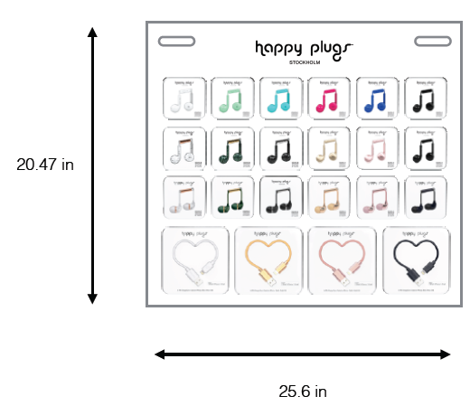
 | DSC# | MFG# | PRODUCT DESCRIPTION | PRICE | SRP | SUGGESTED ORDER QTY | ORDER QTY | EXT PRICE | EXT SRP
 | 72635 | 7720 | In-Ear Earbuds Black 1Pk BP | $17.50 | $34.99 | 3 |  | $52.50 | $104.97
 | 96092 | 7782 | In-Ear Earbuds White Marble Rose 1Pk BP | $17.50 | $34.99 | 3 |  | $52.50 | $104.97
 | 104849 | 7784 | In-Ear Earbuds Black Marble 1Pk BP | $17.50 | $34.99 | 3 |  | $52.50 | $104.97
 | 104851 | 7786 | In-Ear Earbuds Marble Green 1Pk BP | $17.50 | $34.99 | 3 |  | $52.50 | $104.97
 | 96229 | 7813 | Earbuds Plus Cobalt 1Pk BP | $15.00 | $29.99 | 3 |  | $45.00 | $89.97
 | 96230 | 7814 | Earbuds Plus Mint 1Pk BP | $15.00 | $29.99 | 3 |  | $45.00 | $89.97
 | 96231 | 7815 | Earbuds Plus Black 1Pk BP | $15.00 | $29.99 | 3 |  | $45.00 | $89.97
 | 96231 | 7815 | Earbuds Plus Black 1Pk BP | $15.00 | $29.99 | 3 |  | $45.00 | $89.97
 | 96233 | 7817 | Earbuds Plus Turquoise 1Pk BP | $15.00 | $29.99 | 3 |  | $45.00 | $89.97
 | 96233 | 7818 | Earbuds Plus Cerise 1Pk BP | $15.00 | $29.99 | 3 |  | $45.00 | $89.97
 | 96235 | 7819 | Earbuds Plus White 1Pk BP | $15.00 | $29.99 | 3 |  | $45.00 | $89.97
 | 96241 | 7826 | Earbuds Plus Champagne 1Pk BP | $15.00 | $29.99 | 3 |  | $45.00 | $89.97
 | 96242 | 7827 | Earbuds Plus Pink Gold 1Pk BP | $15.00 | $29.99 | 3 |  | $45.00 | $89.97
 | 108608 | 7828 | Earbud Plus White Marble 1Pk BP | $15.00 | $29.99 | 3 |  | $45.00 | $89.97
 | 108609 | 7829 | Earbud Plus Black Marble 1Pk BP | $15.00 | $29.99 | 3 |  | $45.00 | $89.97
 | 108610 | 7830 | Earbud Plus Green Marble 1Pk BP | $15.00 | $29.99 | 3 |  | $45.00 | $89.97
 | 96244 | 7832 | In-Ear Earbuds Champagne 1Pk BP | $17.50 | $34.99 | 3 |  | $52.50 | $104.97
 | 96248 | 7836 | In-Ear Earbuds Pink Gold 1Pk BP | $17.50 | $34.99 | 3 |  | $52.50 | $104.97
 | 74326 | 9904 | Lightning USB to USB Charge & Sync Cable Black 1Pk BP | $12.50 | $24.99 | 3 |  | $37.50 | $74.97
 | 74330 | 9909 | Lightning USB to USB Charge & Sync Cable White 1Pk BP | $12.50 | $24.99 | 3 |  | $37.50 | $74.97
 | 96249 | 9930 | Lightning USB to USB Charge & Sync Cable Champagne 1Pk BP | $15.00 | $29.99 | 3 |  | $45.00 | $89.97
 | 96251 | 9932 | Lightning USB to USB Charge & Sync Cable Pink Gold 1Pk BP | $15.00 | $29.99 | 3 |  | $45.00 | $89.97
 | 108635 | 2331 | Medium Hang-On Display 2017 | Free with purchase |  |  |  | $- | $-
 |  |  |  |  |  |  |  | $1,020.00 | $2,039.34

Large Hang-On Disp
Happy Plugs Large Hang-On Display Assortment |  | Happy Plugs Large Hang-On Display Assortment
 | Account #:
 | Customer Name:
 | Ship Date:
 | PO#

 | Order Date: |  | Order Taken By:

 |  |  |  |  | 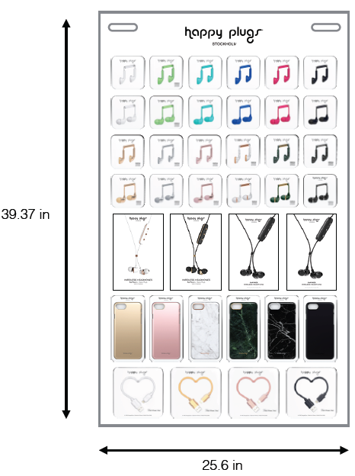
 | DSC# | MFG# | PRODUCT DESCRIPTION | PRICE | SRP | SUGGESTED ORDER QTY | ORDER QTY | EXT PRICE | EXT SRP
 | 72627 | 7705 | Earbuds Black 1Pk BP | $12.50 | $24.99 | 3 |  | $37.50 | $74.97
 | 72632 | 7707 | Earbuds Turquoise 1Pk BP | $12.50 | $24.99 | 3 |  | $37.50 | $74.97
 | 72628 | 7709 | Earbuds Cerise 1Pk BP | $12.50 | $24.99 | 3 |  | $37.50 | $74.97
 | 72633 | 7711 | Earbuds White 1Pk BP | $12.50 | $24.99 | 3 |  | $37.50 | $74.97
 | 74381 | 7713 | Earbuds Mint 1Pk BP | $12.50 | $24.99 | 3 |  | $37.50 | $74.97
 | 74383 | 7715 | In-Ear Earbuds Mint 1Pk BP | $17.50 | $34.99 | 3 |  | $52.50 | $104.97
 | 72635 | 7720 | In-Ear Earbuds Black 1Pk BP | $17.50 | $34.99 | 3 |  | $52.50 | $104.97
 | 72640 | 7722 | In-Ear Earbuds Turquoise 1Pk BP | $17.50 | $34.99 | 3 |  | $52.50 | $104.97
 | 72636 | 7724 | In-Ear Earbuds Cerise 1Pk BP | $17.50 | $34.99 | 3 |  | $52.50 | $104.97
 | 72641 | 7726 | In-Ear Earbuds White 1Pk BP | $17.50 | $34.99 | 3 |  | $52.50 | $104.97
 | 72629 | 7729 | Earbuds Cobalt 1Pk BP | $12.50 | $24.99 | 3 |  | $37.50 | $74.97
 | 72637 | 7730 | In-Ear Earbuds Cobalt 1Pk BP | $17.50 | $34.99 | 3 |  | $52.50 | $104.97
 | 96091 | 7781 | Earbuds White Marble Rose 1Pk BP | $12.50 | $24.99 | 3 |  | $37.50 | $74.97
 | 96092 | 7782 | In-Ear Earbuds White Marble Rose 1Pk BP | $17.50 | $34.99 | 3 |  | $52.50 | $104.97
 | 104848 | 7783 | Earbuds Black Marble 1Pk BP | $12.50 | $24.99 | 3 |  | $37.50 | $74.97
 | 104849 | 7784 | In-Ear Earbuds Black Marble 1Pk BP | $17.50 | $34.99 | 3 |  | $52.50 | $104.97
 | 104850 | 7786 | In-Ear Earbuds Marble Green 1Pk BP | $12.50 | $24.99 | 3 |  | $37.50 | $74.97
 | 104851 | 7786 | In-Ear Earbuds Marble Green 1Pk BP | $17.50 | $34.99 | 3 |  | $52.50 | $104.97
 | 96243 | 7831 | Earbuds Champagne 1Pk BP | $12.50 | $24.99 | 3 |  | $37.50 | $74.97
 | 96244 | 7832 | In-Ear Earbuds Champagne 1Pk BP | $17.50 | $34.99 | 3 |  | $52.50 | $104.97
 | 96245 | 7833 | Earbuds Space Gray 1Pk BP | $12.50 | $24.99 | 3 |  | $37.50 | $74.97
 | 96246 | 7834 | In-Ear Earbuds Space Gray 1Pk BP | $17.50 | $34.99 | 3 |  | $52.50 | $104.97
 | 96247 | 7835 | Earbuds Pink Gold 1Pk BP | $12.50 | $24.99 | 3 |  | $37.50 | $74.97
 | 96248 | 7836 | In-Ear Earbuds Pink Gold 1Pk BP | $17.50 | $34.99 | 3 |  | $52.50 | $104.97
 | 105006 | 7850 | Ear Piece White 1Pk BP | $45.00 | $89.99 | 2 |  | $90.00 | $179.98
 | 105007 | 7851 | Ear Piece Black 1Pk BP | $45.00 | $89.99 | 2 |  | $90.00 | $179.98
 | 108611 | 7853 | Ear Piece Sapphire 1Pk BP | $45.00 | $89.99 | 2 |  | $90.00 | $179.98
 | 108611 | 7853 | Ear Piece Sapphire 1Pk BP | $45.00 | $89.99 | 2 |  | $90.00 | $179.98
 | 109007 | 9132 | iPhone 7 Slim Case Champagne 1Pk BP | $15.00 | $29.99 | 3 |  | $45.00 | $89.97
 | 109008 | 9133 | iPhone 7 Slim Case Sapphire 1Pk BP | $15.00 | $29.99 | 3 |  | $45.00 | $89.97
 | 105439 | 9134 | iPhone 7 Slim Case Pink Gold 1Pk BP | $15.00 | $29.99 | 3 |  | $45.00 | $89.97
 | 105262 | 9135 | iPhone 7 Slim Case White Marble 1Pk BP | $15.00 | $29.99 | 3 |  | $45.00 | $89.97
 | 105263 | 9136 | iPhone 7 Slim Case Black Marble 1Pk BP | $15.00 | $29.99 | 3 |  | $45.00 | $89.97
 | 105264 | 9137 | iPhone 7 Slim Case Green Marble 1Pk BP | $15.00 | $29.99 | 3 |  | $45.00 | $89.97
 | 74326 | 9904 | Lightning USB to USB Charge & Sync Cable Black 1Pk BP | $12.50 | $24.99 | 3 |  | $37.50 | $74.97
 | 74330 | 9909 | Lightning USB to USB Charge & Sync Cable White 1Pk BP | $12.50 | $24.99 | 3 |  | $37.50 | $74.97
 | 96249 | 9930 | Lightning USB to USB Charge & Sync Cable Champagne 1Pk BP | $15.00 | $29.99 | 3 |  | $45.00 | $89.97
 | 96251 | 9932 | Lightning USB to USB Charge & Sync Cable Pink Gold 1Pk BP | $15.00 | $29.99 | 3 |  | $45.00 | $89.97
 | 108636 | 2332 | Large Hang-On Display 2017 | Free with purchase |  |  |  | $- | $-
 |  |  |  |  |  |  |  | $1,875.00 | $3,748.90

